Sheet1
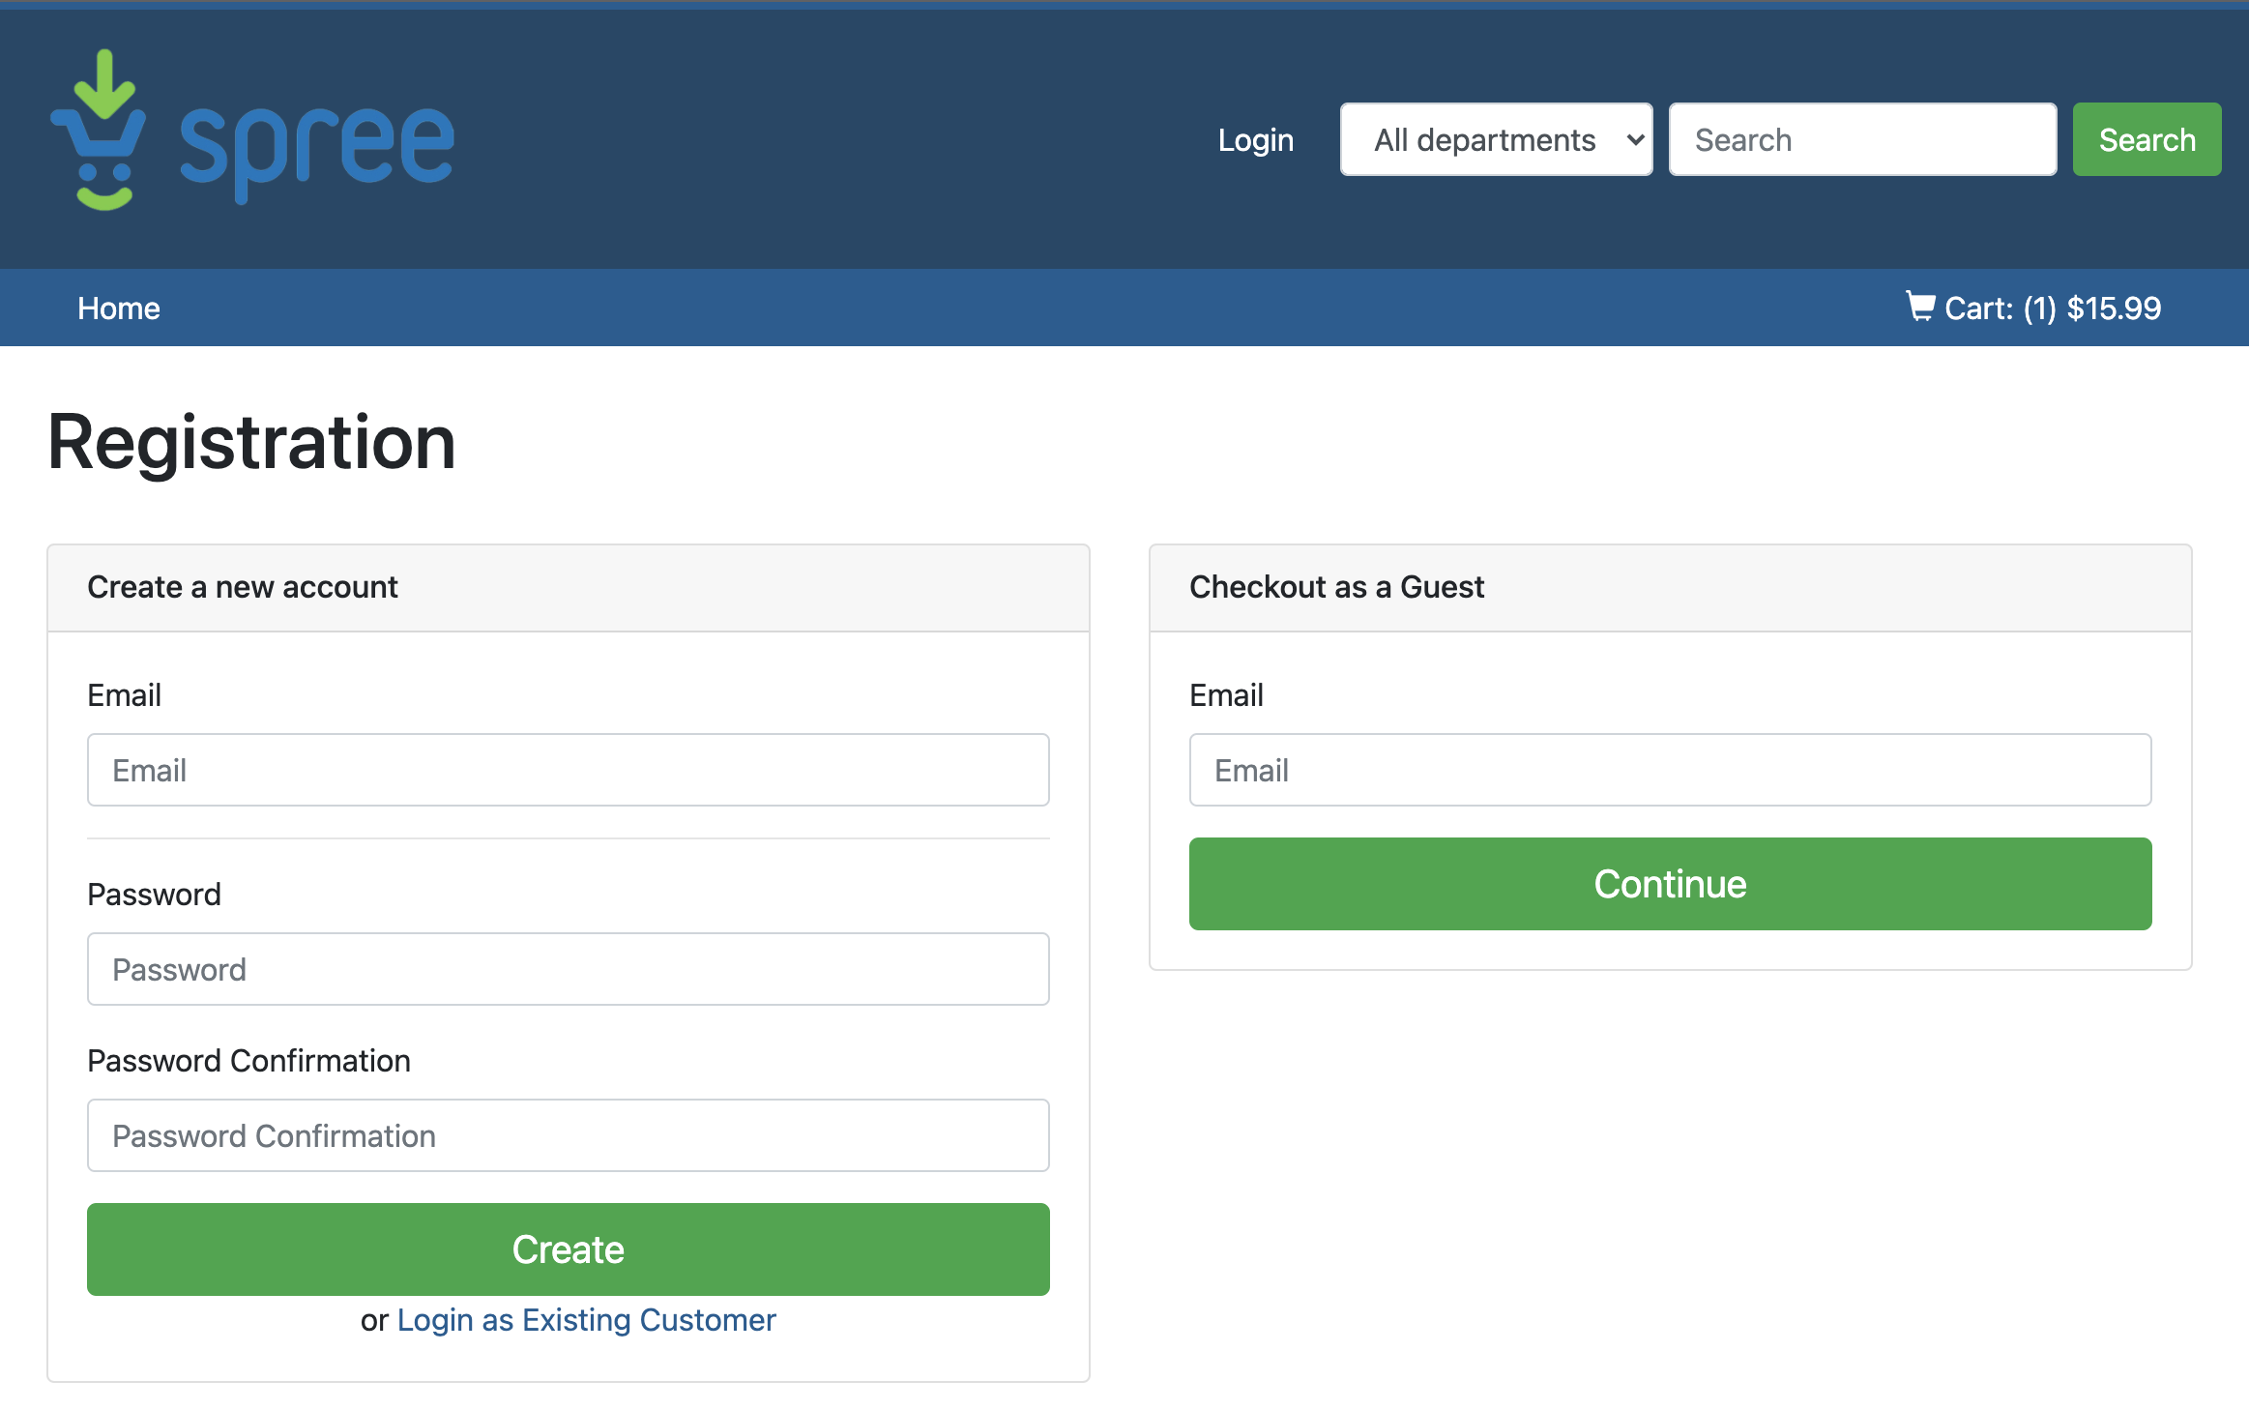
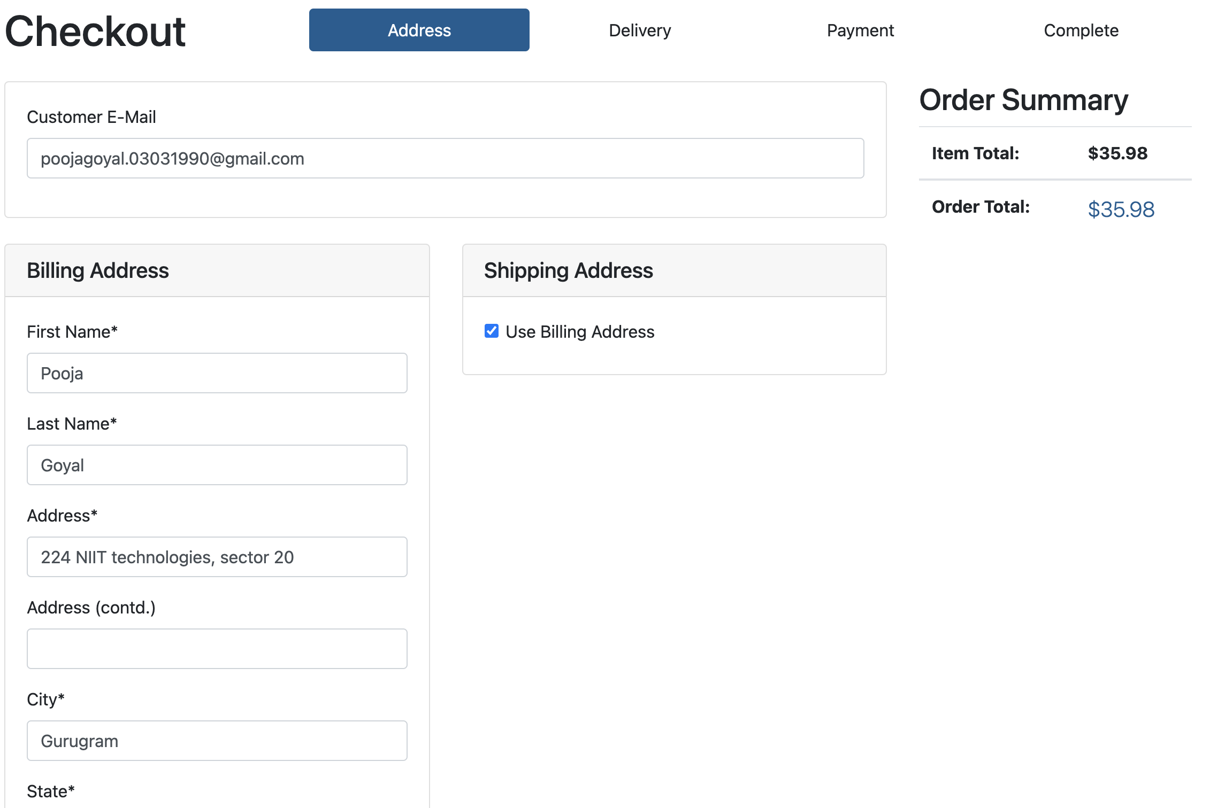

 | Scenario: Checkout Feature

 | Given | When | Then
 | User is on Shooping cart page | User clicks on checkout | Registration page is displayed where user can - register, - login if a existing user, - shop as a guest user
 | User is on Registration page | User enters email and clicks on continue as guest user | Checkout page asking for users billinng and shipping address details along with order summary is displayed

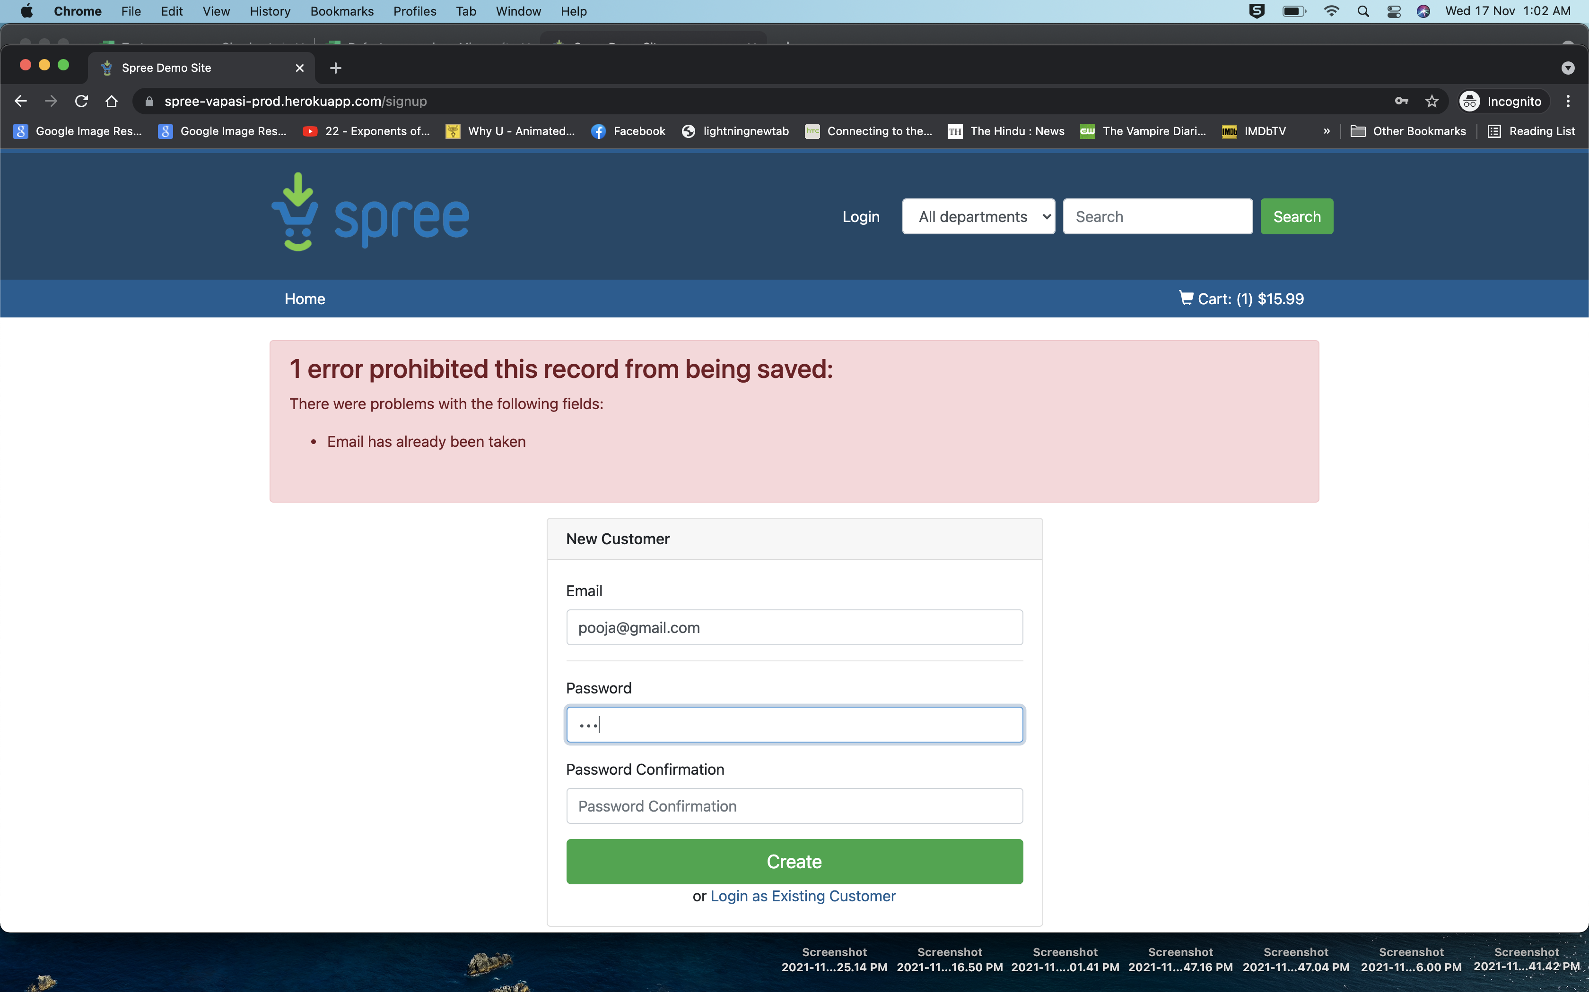
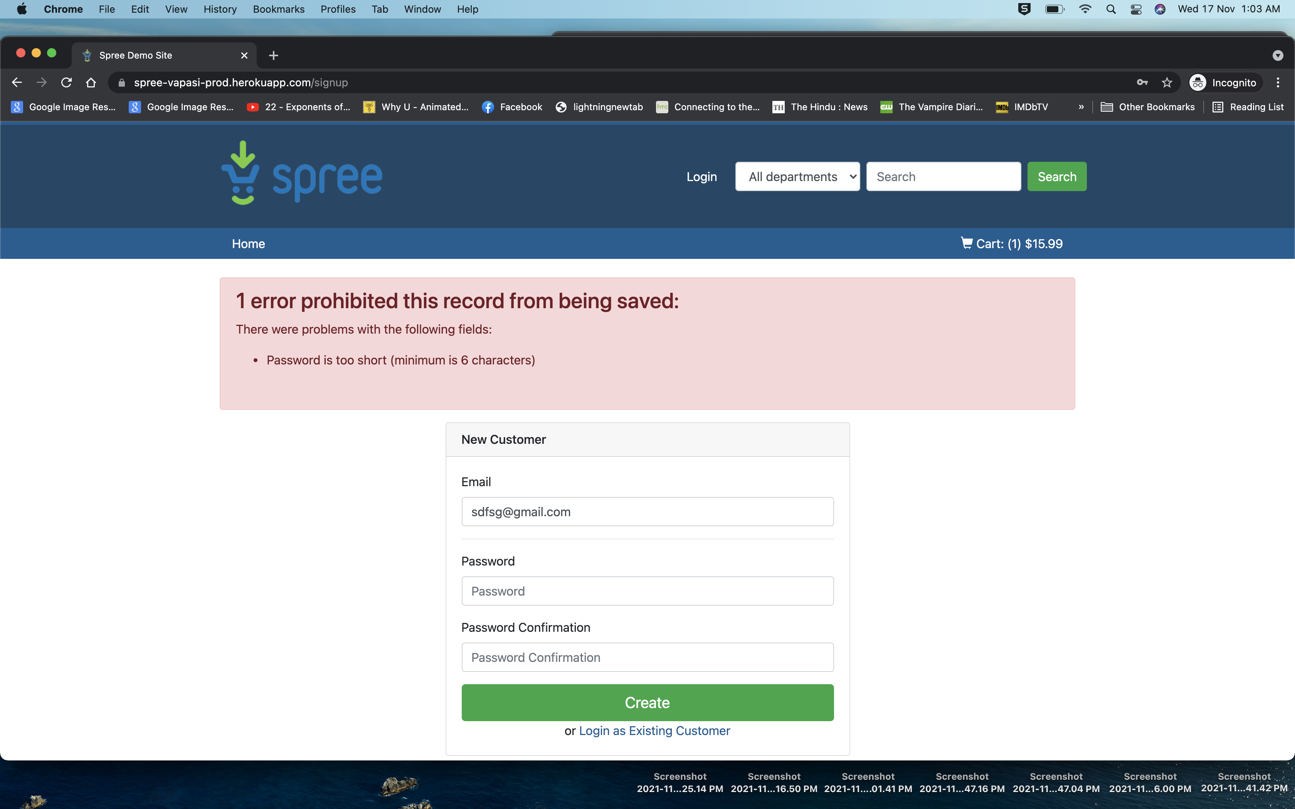
 | User is on Registration page | User enters email , password, confirm password and click on create | Checkout page asking for users billinng and shipping address details along with order summary is displayed
 |  | User enters wrong format or values for email , password, confirm password and click on create | Error message is ddiplayed saying incorrect format or wrong email/password

 | User is on Checkout page | User clicks on login as existing customer | Login screen is displayed
 | User wants Checkout page | User enters email , password, confirm password and click on create | Checkout page asking for users billinng and shipping address details along with order summary is displayed
 |  | User enters wrong format or values for email , password, confirm password and click on create | Error message is ddiplayed saying incorrect format or wrong email/password

The address details of India in chrome/ of other countries in safari | User is on checkout address page | User enters all the details asked in the billing annd shipping address in wrong format and clicks on save and contiue button | User is displaying errors for the respective labels not filled properly and asking to refill | These steps common for login by guest, existig or newly registered users
 | User is on checkout address page | User enters all the details in the format as asked in the billing annd shipping address clicks on save and contiue button | User gets navigated to the delivery section of the checkout

Works in Safari not in Chrome | User is on checkout Delivery page | User selects a shipping method from the 3 methods given and clicks on save and continue | User gets navigated to the Payment section of the checkout

 | User is on checkout Payment page | User selects whether to pay by Card, enter the card details incorrectly and coupon code in a wrong format and clicks on save and continue | Error message is displayed when incorrect format or wrong details are input
 | User is on checkout Payment page | User selects whether to pay by Card, enter the card details and coupon code if available and clicks on save and continue | User get message order placed successfully and order details are displayed
 |  | User selects whether to pay by Check and enters coupon code if available and clicks on save and continue | User get message order placed successfully and order details are displayed

